Welded
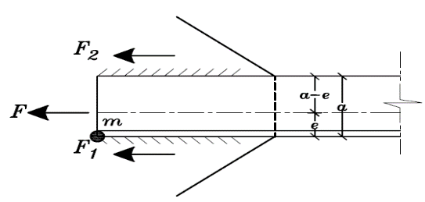
37 | Single Angle |  |  |  |  |  |  |  |  |  | Angle | Angle (mm) |  | Area | Weight | Distances (cm) |  |  |  | x-x & y-y |  |  | u-u | v-v
44 | Double Angle |  |  |  |  |  |  |  |  |  |  | a | s | (cm2) | (kg/m`) | e | w | u1 | u2 | Ix(cm4) | Sx(cm3) | rx(cm) | ru(cm) | rv(cm)
52 | Star Shape |  |  |  |  |  |  |  |  |  | 45x5 | 45 | 5 | 4.3 | 3.38 | 1.28 | 3.18 | 1.81 | 1.58 | 7.83 | 2.43 | 1.35 | 1.7 | 0.87
 |  |  |  |  |  |  |  |  |  |  | 50x5 | 50 | 5 | 4.8 | 3.77 | 1.4 | 3.54 | 1.98 | 1.76 | 11 | 3.05 | 1.51 | 1.9 | 0.98
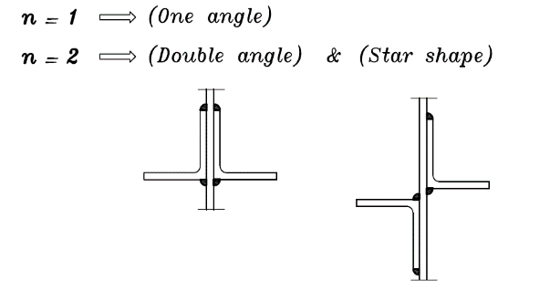
Steel Type | 37 |  | Section | 110x10 |  | Double Angle | Tension Only |  |  |  | 55x5 | 55 | 5 | 5.32 | 4.18 | 1.52 | 3.89 | 2.15 | 1.93 | 14.7 | 3.7 | 1.66 | 2.09 | 1.07
Fy = | 2.4 | t/cm2 | a = | 110 | mm |  | Force = | 5 | Ton |  | 60x6 | 60 | 6 | 6.91 | 5.42 | 1.69 | 4.24 | 2.39 | 2.11 | 22.8 | 5.29 | 1.82 | 2.29 | 1.17
Fu = | 3.6 | t/cm2 | t = | 10 | mm |  | s = | 0.5 | cm |  | 65x7 | 65 | 7 | 8.7 | 6.83 | 1.85 | 4.6 | 2.62 | 2.29 | 33.4 | 7.13 | 1.96 | 2.47 | 1.26
 |  |  | e = | 3.07 | cm |  | n = | 2 | unitless |  | 70x7 | 70 | 7 | 9.4 | 7.38 | 1.97 | 4.95 | 2.79 | 2.47 | 42.4 | 8.43 | 2.12 | 2.67 | 1.37
tG.PL = | 1 | cm |  |  |  |  | Leff = | 10 | cm |  | 75x7 | 75 | 7 | 10.1 | 7.94 | 2.03 | 5.3 | 2.87 | 2.63 | 52.4 | 8.67 | 2.28 | 2.88 | 1.45
 |  |  | Shear Only |  |  |  | f = | 0.5 | t/cm2 | Safe | 80x8 | 80 | 8 | 12.3 | 9.66 | 2.26 | 5.66 | 3.2 | 2.82 | 72.3 | 12.6 | 2.42 | 3.06 | 1.55
 |  |  | F = | 32 | Ton |  |  |  |  |  | 90x9 | 90 | 9 | 15.5 | 12.2 | 2.54 | 6.36 | 3.59 | 3.18 | 116 | 18 | 2.74 | 3.45 | 1.76
 |  |  | F2 = | 8.9309090909 | Ton |  | Shear +Tension |  |  |  | 100x10 | 100 | 10 | 19.2 | 15.1 | 2.82 | 7.07 | 3.99 | 3.54 | 177 | 24.7 | 3.04 | 3.82 | 1.95
 |  |  | F1 = | 23.069090909 | Ton |  | T = | 5 | Ton |  | 110x10 | 110 | 10 | 21.2 | 16.6 | 3.07 | 7.78 | 4.34 | 3.89 | 239 | 30.1 | 3.36 | 4.23 | 2.16
 |  |  | s = | 0.5 | cm |  | V = | 2 | Ton |  | 120x12 | 120 | 12 | 27.5 | 21.6 | 3.4 | 8.49 | 4.8 | 4.26 | 368 | 42.7 | 3.65 | 4.6 | 2.35
 |  |  | n = | 2 | unitless |  | s = | 0.5 | cm |  | 130x12 | 130 | 12 | 30 | 23.6 | 3.64 | 9.19 | 5.15 | 4.6 | 472 | 50.4 | 3.97 | 5 | 2.54
 |  |  | Leff 1 = | 23 | cm |  | n = | 2 | unitless |  | 140x13 | 140 | 13 | 35 | 27.5 | 3.92 | 9.9 | 5.54 | 4.96 | 638 | 63.3 | 4.27 | 5.38 | 2.74
 |  |  | Lact 1 = | 24 | cm |  | Leff = | 10 | cm |  | 150x14 | 150 | 14 | 40.3 | 31.6 | 4.21 | 10.6 | 5.95 | 5.31 | 845 | 78.2 | 4.58 | 5.77 | 2.94
 |  |  | Leff 2 = | 9 | cm |  | f = | 0.5 | t/cm2 |  | 160x15 | 160 | 15 | 46.1 | 36.2 | 4.49 | 11.3 | 6.35 | 5.67 | 1100 | 95.6 | 4.88 | 6.15 | 3.14
 |  |  | Lact 2 = | 10 | cm |  | q = | 0.2 | t/cm2 | Safe | 180x16 | 180 | 16 | 55.4 | 43.5 | 5.02 | 12.7 | 7.11 | 6.39 | 1680 | 130 | 5.51 | 6.96 | 3.5
 |  |  |  |  |  |  |  |  |  |  | 200x16 | 200 | 16 | 61.8 | 48.5 | 5.52 | 14.1 | 7.8 | 7.09 | 2340 | 168 | 6.15 | 7.78 | 3.91

